Sheet1
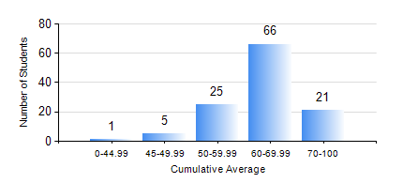
 |  |  | KWAME NKRUMAH UNIVERSITY OF SCIENCE AND TECHNOLOGY, KUMASI Department of Geomatic Engineering

 |  |  | BSC. GEOMATIC ENG.

 |  |  | COMPREHENSIVE RECORD OF EXAMINATION RESULTS

 |  |  | RESULTS OF YEAR 4 FIRST SEMESTER, 2020/2021 ACADEMIC YEAR

 | Sn | Course Code |  | Course Name | Credit Hours | Min. Mark | Max. Mark | Avg. Mark | Std. Dev. | No. Passed | No. Trailed | No. (Df) | No. (I) | No. (I*) | No. Tagged(I,I*,Df) | Total
 | 0. |  |  |  |  |  |  | 0 | 0 | 0 | 0 | 0 | 0 | 0 | 0 | 1
 | 1. | CE 461 |  | ENG ECONOMY AND ENTERPRENEURSHIP DEVELOPMENT | 3 | 21 | 84 | 57 | 12.94 | 104 | 13 | 0 | 0 | 0 | 0 | 117
 | 2. | GE 451 |  | GEODETIC SURVEYING II | 3 | 11 | 86 | 64 | 11.99 | 115 | 2 | 0 | 0 | 0 | 0 | 117
 | 3. | GE 461 |  | CADASTRAL SURVEYING | 3 | 18 | 83 | 57 | 13.07 | 110 | 7 | 0 | 0 | 0 | 0 | 117
 | 4. | GE 463 |  | LAND AND GEOGRAPHIC INFORMATION SYSTEM I | 3 | 52 | 90 | 72 | 9.01 | 117 | 0 | 0 | 0 | 0 | 0 | 117
 | 5. | GE 475 |  | GEOMATIC METHODS | 2 | 56 | 88 | 80 | 4.84 | 117 | 0 | 0 | 0 | 0 | 0 | 117
 | 6. | GE 491 |  | PROJECT I | 4 | 58 | 83 | 71 | 5.61 | 117 | 0 | 0 | 0 | 0 | 0 | 117

